Bug Report 2
ID | #2
Reporter: | Liia Vasylevska | Assignee: | Liia Vasylevska | Status: | New
Type: | UI | Severity: | Trivial | Priority: | Low
Environment: | Windows 11, Google Chrome v. 123.0.6312.107
Summary: | Title of the film "The Boy and the heron" is displayed in Japanese.
Description:

Pre-conditions:
1 | URL https://goitstudentsworks.github.io/js_70_melvinsz/index.html is opened in the browser.
2
3
Steps to reproduce:
1 | Navigate to the "The Boy and the heron" movie.
2 | Open the information about this movie by clicking on it with the left mouse button.
3
4
5
Actual result:
The title of the film is displayed in Japanese.

Expected result:
All information about the film, except for the original title, is displayed in English.

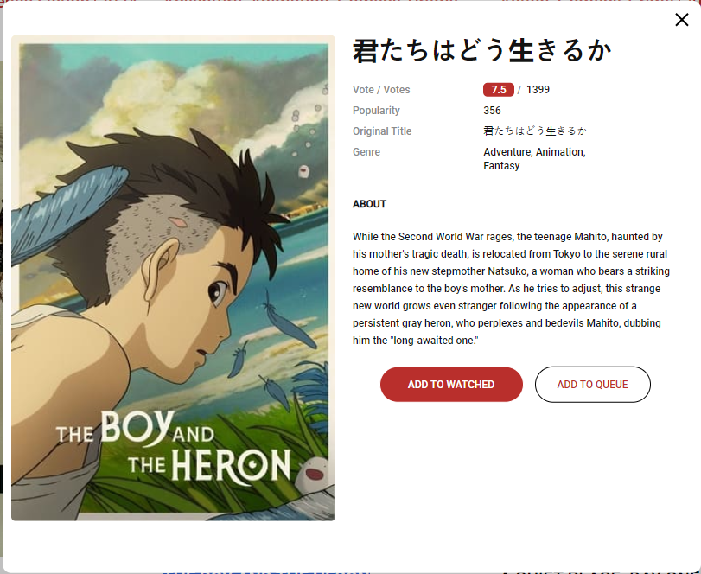
Attachments:
Additional info:

